Sheet2
 |  |  |  | avr | stdev.s
con | 0.3633 | 0.4117 | 0.4175 | 0.3975 | 0.0297597043
LPS #2 | 55.72398 | 61.963 | 65.201 | 60.96266 | 4.8170517027
BMS-561392 | 1.521 | 1.62 | 1.629 | 1.59 | 0.059924953066
marimastat | 5.293 | 6.805 | 9.817 | 7.305 | 2.3030727301
Thiamine | 58.8225 | 63.2575 | 73.6925 | 65.2575 | 7.6340831146
Vorinostat | 5.2845 | 5.8125 | 7.8405 | 6.3125 | 1.3493642948
Quinapril | 58.6585 | 61.8425 | 68.0265 | 62.8425 | 4.7633870303
Bufexamac | 47.5015 | 49.9175 | 53.8335 | 50.4175 | 3.1954742997

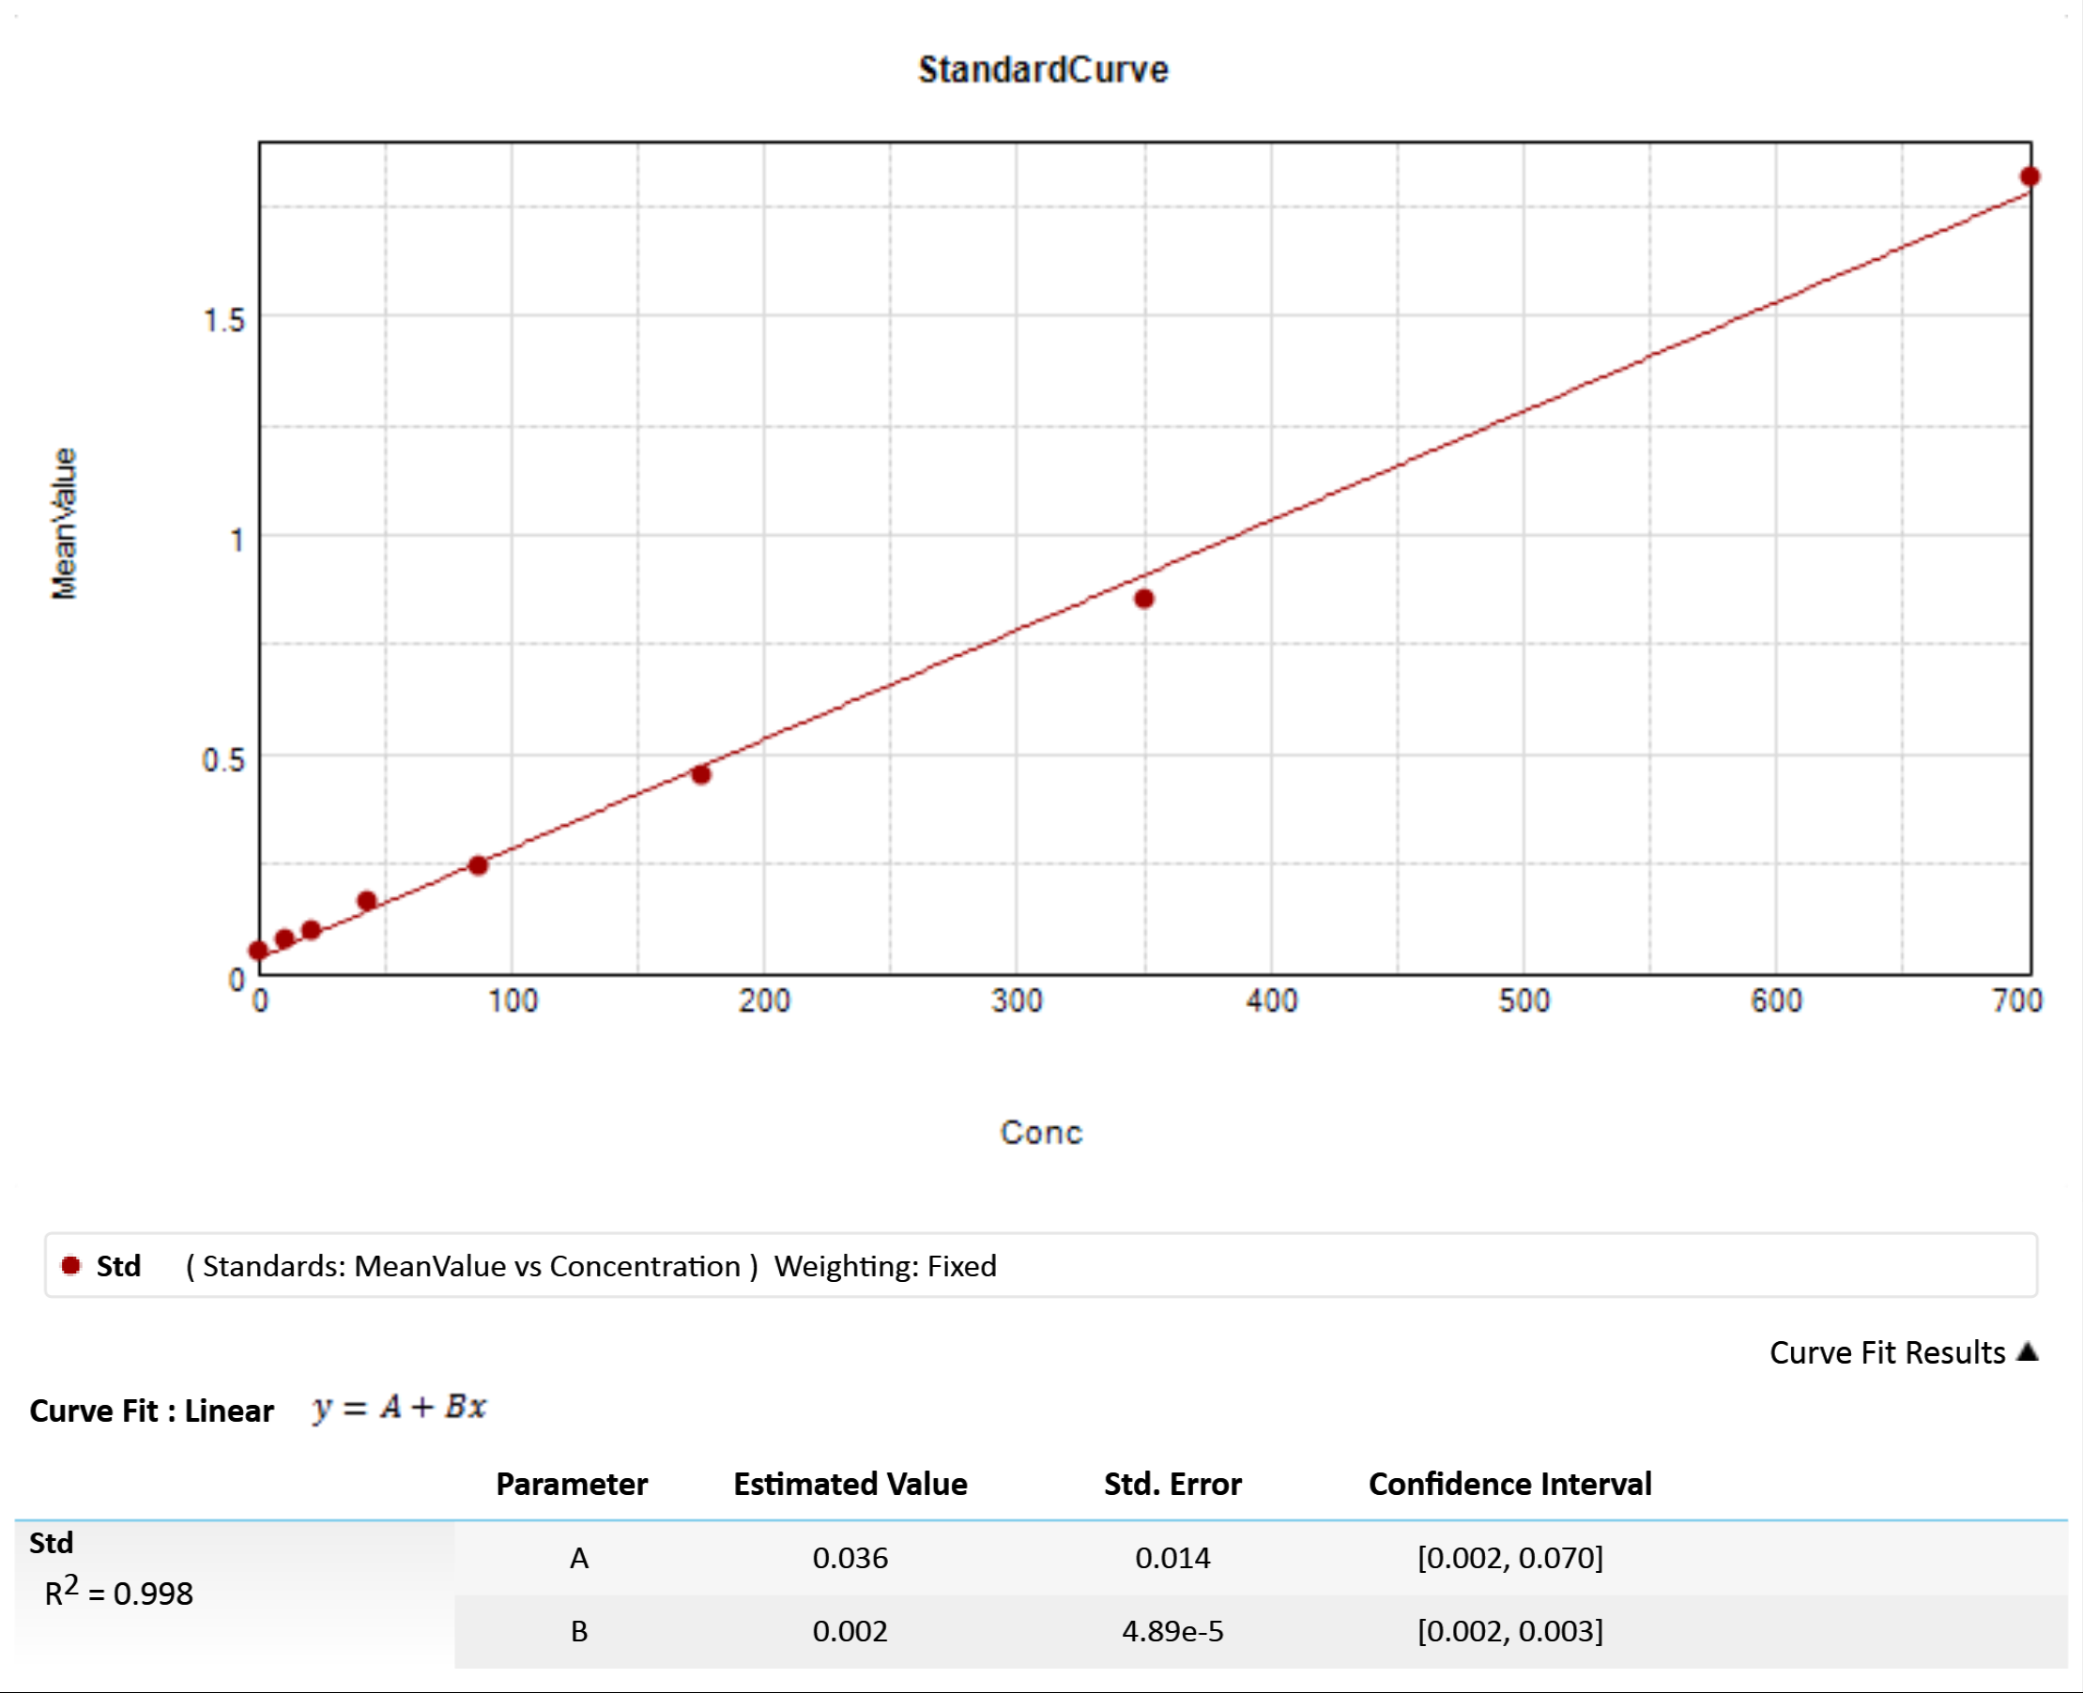

 |  |  |  |  |  | Y=0.036+(0.002*X)
 |  |  |  |  |  | X=(Y-0.036)/0.002

 |  |  |  |  |  |  | O.D(Y) | 계산값(농도)
 |  |  |  |  |  | 700 | 1.8158 | 889.9
 |  |  |  |  |  | 350 | 0.8531 | 408.55
 |  |  |  |  |  | 175 | 0.4487 | 206.35
 |  |  |  |  |  | 87.5 | 0.2414 | 102.7
 |  |  |  |  |  | 43.75 | 0.1664 | 65.2
 |  |  |  |  |  | 21.875 | 0.1003 | 32.15
 |  |  |  |  |  | 10.938 | 0.0748 | 19.4
 |  |  |  |  |  | 0 | 0.0511 | 7.55

